Sheet1
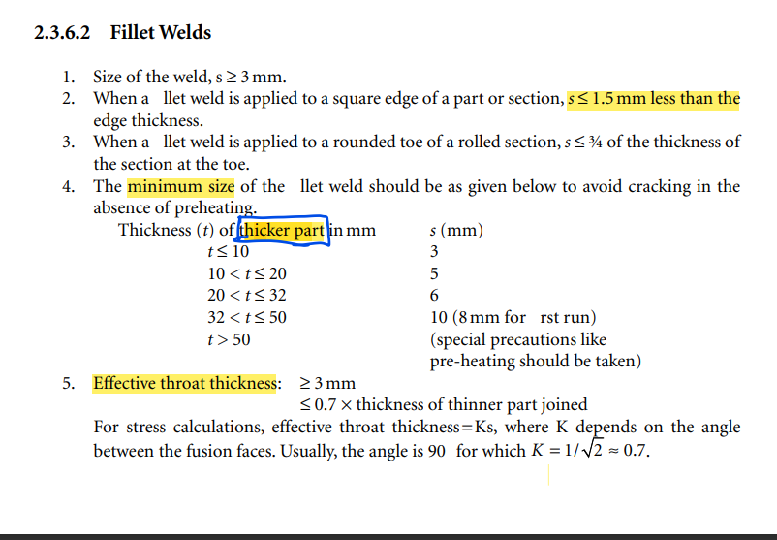
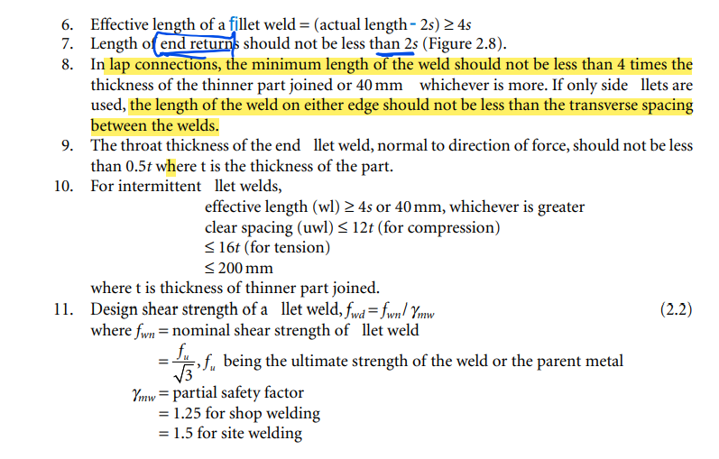
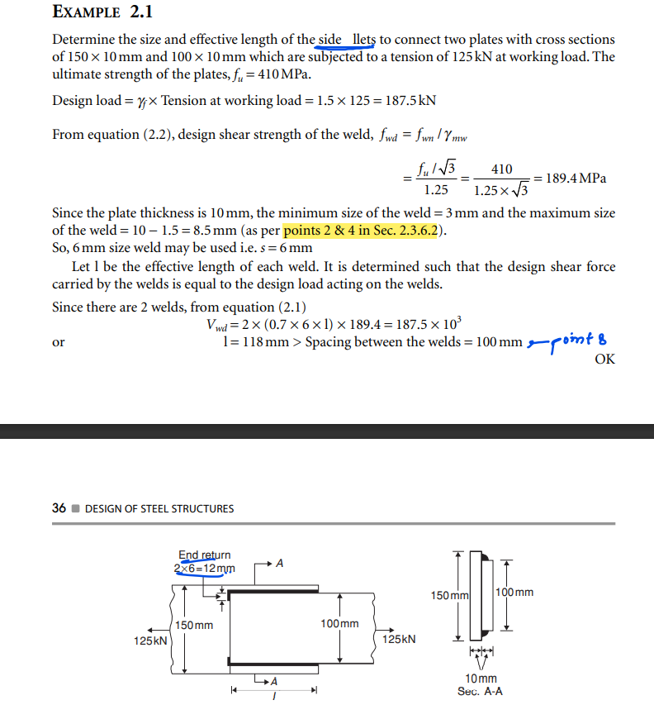

weld always fail in shear
plate width | 100 | mm
plate thickness | 10 | mm
edge type | square

min weld size | 3 | mm
max weld size | 8.5 | mm

2. Gross area yielding
Tdg = (fy/1.1)*Ag | 227.27272727 | kN
fy of Plate | 250 | Mpa

gross area Ag | 1000

tension load(T) | 125 | kN

design load(1.5T) | 187.5 | kN | < | 227.27272727 | kN | TRUE

calculation of weld strength per unit length

assume weld size(s) | 8 | mm
throat thicknes tt | 5.6 | mm
fu | 410 | Mpa
weld strength per unit length
(fu/3^.5/1.25)*(0.7s*1) | 1060.4769744 | N/mm

length of weld required | 176.80723346 | mm

provide weld length on both sides | 120 | mm
end return | 16 | mm

